Sheet1
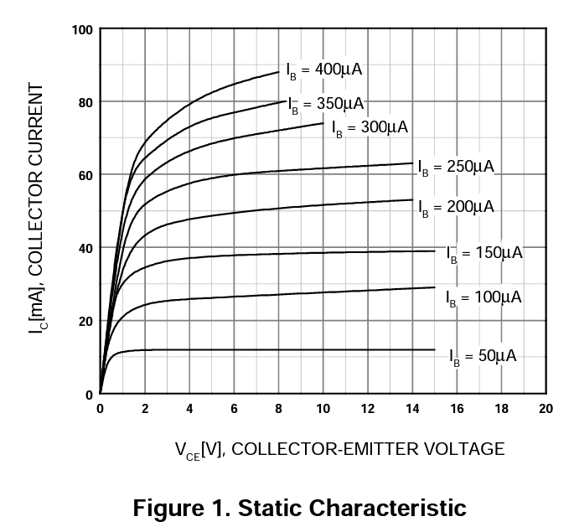
 | 8.4852813742 |  | Raw |  | Best Fit
0 | 0 | Vce | 5 | V
45 | 6 | Ic | 1.20E-02 | A
135 | 6 | R1 | 409.16666667 | Ohms | 412 | E96
 |  | iB | 5.00E-05 | A
 |  | Iac | 1.00E-03 | A
 |  | IAC = V/(R2 + R3)
 |  | iAC = 1mA
 |  | R2 + R3 | 5300
 |  | R3 | 700 |  | 698 | E96
 |  | R2 | 4380.952381 |  | 4,420 | E96

